Blad1
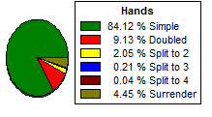
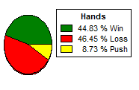
Average Profit | -0.54 |  | Blackjack pays | 3 to 2
Betting unit | 5 |  | Dealer hits soft 17 | NO
Average bet | 5 |  | Number of decks | 6
Maximum bet | 5 |  | CSM | NO
House edge | 0.11 |  | Dealer peeks hole card | NO
Standard deviation | 1.14 |  | Surrender | YES
Perfomance (hands/s) | 1628 |  | Insurance | NO
Maximum profit reached | 215 |  | Double after split | YES
Minimum profit reached | -220 |  | Hit aces after split | NO
 |  |  | Split to | 4 hands
 |  |  | Re-split aces | NO
 |  |  | Double only in 9-11 | NO
 |  |  | Minimum bet | 5
 |  |  | Maximum bet | 500
Theoretical values according to standard deviation and house edge playing | 100 hands |  | Betting system | Flat betting
This only applies when the distribution above is Gaussian (Normal or bell-shaped) |  |  | Betting unit | 5
Probability of a gain greater than $ 25 | 32.64% |  | Simulations completed | 10000
Probability of a loss greater than $ 25 | 33.36% |  | Hands per simulation | 100

 | 1 SDs (68%) | 2 SDs (97.5%) | 3 SDs (99.7%)
Maximum expected $ gain | 56.56 | 113.65 | 170.74
Maximum expected $ loss | 57.64 | 114.73 | 171.82

